Data
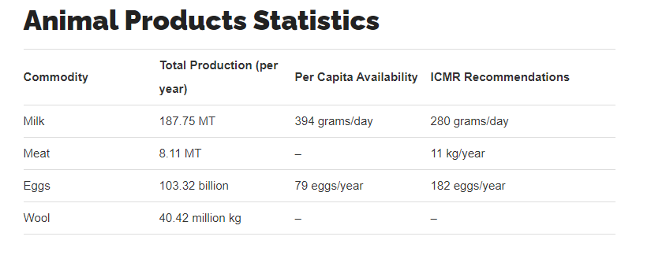
Product | Opportunity food loss (%) | Calculated ratio of plant-based protein output to animal protein output per land area | MT of animal products produced | Weighted average ratio
Eggs | 40 | 1.7 | 5 | 4.1086117711
Poultry | 50 | 2 | 4
Dairy | 75 | 4 | 188
Pork | 90 | 10 | 0.4
Beef | 96 | 25 | 2

Size | Minimum mass per egg |  | Cooking Yield (Volume)[3]
Jumbo | 70.9 g | 2.5 oz. | 61 mL (4.75 tbsp)
Very Large or Extra-Large (XL) | 63.8 g | 2.25 oz. | 56 ml (4 tbsp)
Large (L) | 56.7 g | 2 oz. | 46 ml (3.25 tbsp)
Medium (M) | 49.6 g | 1.75 oz. | 43 ml (3 tbsp)
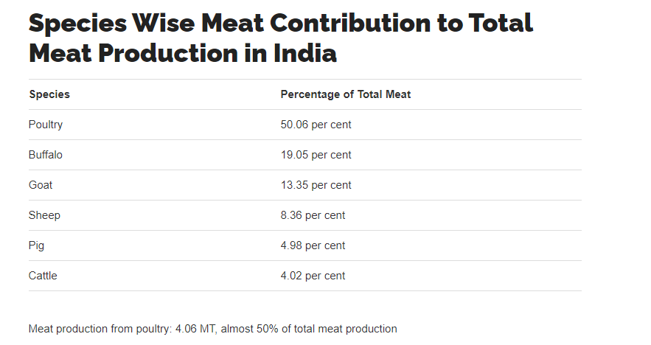
Small (S) | 42.5 g | 1.5 oz.
Peewee | 35.4 g | 1.25 oz.

